Ark1
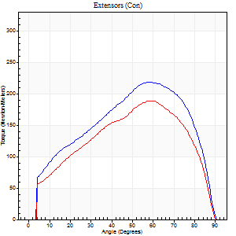
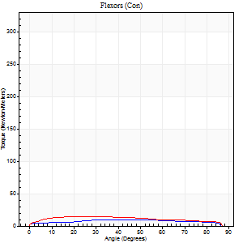
Use File, Preference to set Report Heading
Long Form Torque vs. Position Report - Knee Extension/Flexion
Name: |  |  |  | Deltager_10, | ID: | Deltager | Right/Left: | 09.10.2025 09.10.2025

Right Side Curves Left Side Curves
Isokinetic Con/Con |  |  |  | Extensors (Con) |  | Flexors (Con)
Speed 60/60 d/s 3 Reps |  |  |  | Value | Cof Var | %BW | Value | Cof Var | %BW | Ratio

TORQUE PARAMETERS
Peak Torque (Newton-Meters - Best Repetition)
Right |  |  |  | 218 | 0.02 | 340 | 9 | 0.67 | 15 | 4
Left |  |  |  | 188 | 0.01 | 295 | 15 | 0.69 | 24 | 8
Deficit |  |  |  | 14 |  |  | 36
Work per Repetition (Newton-Meters - Best Repetition)
Right |  |  |  | 237 | 0.04 | 370 | 11 | 0.99 | 18 | 5
Left |  |  |  | 194 | 0.01 | 301 | 16 | 0.69 | 27 | 8
Deficit |  |  |  | 18 |  |  | 33
Average Power per Repetition (Watts - Best Repetition)
Right |  |  |  | 149 | 0.04 | 233 | 7 | 1.06 | 11 | 5
Left |  |  |  | 123 | 0.01 | 191 | 11 | 0.75 | 18 | 9
Deficit |  |  |  | 17 |  |  | 36
POSITION PARAMETERS
Joint Angle at Peak Torque (Degrees)
Right |  |  |  | 57 | 0.04 |  | 16 | 1.52
Left |  |  |  | 59 | 0.03 |  | 41 | 0.3
Range of Motion (Degrees)
Right |  |  |  | 0 | -0.47 |  | 90 | 0
Left |  |  |  | 0 | -0.47 |  | 90 | 0
TIME PARAMETERS
Time to Peak Torque (Seconds)
Right |  |  |  | 0.6 | 0.06 |  | 0.39 | 1.07
Left |  |  |  | 0.55 | 0.03 |  | 0.81 | 0.3
Time Peak Torque Held (Seconds)
Right |  |  |  | 0.05 | 0.29 |  | 0.01 | 1.73
Left |  |  |  | 0.05 | 0.25 |  | 0.18 | 1.27
Force Decay Time (Seconds)
Right |  |  |  | 0.95 | 0.04 |  | 1.32 | 0.41
Left |  |  |  | 0.99 | 0.04 |  | 0.65 | 0.36
Reciprocal Delay (Seconds)
Right |  |  |  | 0.38 | 0.04 |  | 0.73 | 0.18
Left |  |  |  | 0.3 | 0.17 |  | 0.64 | 0.13
Delay Time (Seconds)
Right |  |  |  | -0.01 | -0.47 |  | -0.05 | -0.2
Left |  |  |  | -0.01 | 0 |  | -0.05 | -0.39
HUMAC2015® Version: 15.000.0074 © Computer Sports Medicine, Inc. www.csmisolutions.com

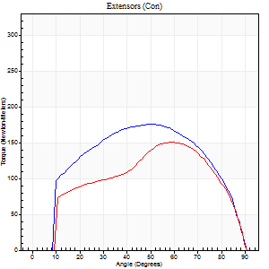
Use File, Preference to set Report Heading
Long Form Torque vs. Position Report - Knee Extension/Flexion
Name: |  |  |  | Deltager_10, | ID: | Deltager | Right/Left: | 09.10.2025 09.10.2025
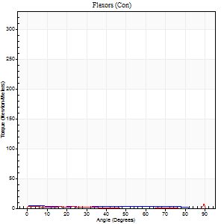
Right Side Curves Left Side Curves
Isokinetic Con/Con |  |  |  | Extensors (Con) |  | Flexors (Con)
Speed 120/120 d/s 3 Reps |  |  |  | Value | Cof Var | %BW | Value | Cof Var | %BW | Ratio

TORQUE PARAMETERS
Peak Torque (Newton-Meters - Best Repetition)
Right |  |  |  | 175 | 0.01 | 271 | 4 | 0.35 | 6 | 2
Left |  |  |  | 151 | 0.02 | 235 | 7 | 0.36 | 12 | 5
Deficit |  |  |  | 14 |  |  | 40
Work per Repetition (Newton-Meters - Best Repetition)
Right |  |  |  | 195 | 0.02 | 304 | 4 | 0.77 | 6 | 2
Left |  |  |  | 157 | 0.02 | 244 | 4 | 0.6 | 6 | 3
Deficit |  |  |  | 19 |  |  | 0
Average Power per Repetition (Watts - Best Repetition)
Right |  |  |  | 221 | 0.02 | 345 | 5 | 1.07 | 9 | 2
Left |  |  |  | 176 | 0.01 | 275 | 4 | 0.82 | 7 | 2
Deficit |  |  |  | 20 |  |  | 20
POSITION PARAMETERS
Joint Angle at Peak Torque (Degrees)
Right |  |  |  | 51 | 0.05 |  | 2 | 0.23
Left |  |  |  | 55 | 0.05 |  | 47 | 0.84
Range of Motion (Degrees)
Right |  |  |  | 0 | 0 |  | 90 | 0
Left |  |  |  | 0 | 0 |  | 90 | 0
TIME PARAMETERS
Time to Peak Torque (Seconds)
Right |  |  |  | 0.38 | 0.02 |  | 0.16 | 0.12
Left |  |  |  | 0.36 | 0.02 |  | 0.79 | 0.66
Time Peak Torque Held (Seconds)
Right |  |  |  | 0.03 | 0.46 |  | 0.06 | 1.73
Left |  |  |  | 0.03 | 0.33 |  | 0 | 0
Force Decay Time (Seconds)
Right |  |  |  | 0.47 | 0.04 |  | 1.23 | 0.3
Left |  |  |  | 0.51 | 0.06 |  | 0.58 | 1.18
Reciprocal Delay (Seconds)
Right |  |  |  | 0.22 | 0.09 |  | 0.76 | 0.18
Left |  |  |  | 0.32 | 0.33 |  | 0.75 | 0.32
Delay Time (Seconds)
Right |  |  |  | -0.01 | 0 |  | -0.08 | -0.15
Left |  |  |  | -0.02 | -0.28 |  | -0.08 | -0.22
HUMAC2015® Version: 15.000.0074 © Computer Sports Medicine, Inc. www.csmisolutions.com

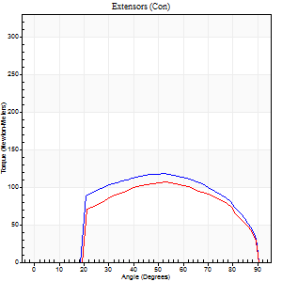
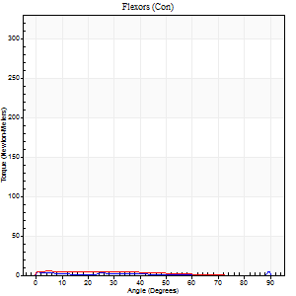
Use File, Preference to set Report Heading
Long Form Torque vs. Position Report - Knee Extension/Flexion
Name: |  |  |  | Deltager_10, | ID: | Deltager | Right/Left: | 09.10.2025 09.10.2025

Right Side Curves Left Side Curves
Isokinetic Con/Con |  |  |  | Extensors (Con) |  | Flexors (Con)
Speed 240/240 d/s 3 Reps |  |  |  | Value | Cof Var | %BW | Value | Cof Var | %BW | Ratio

TORQUE PARAMETERS
Peak Torque (Newton-Meters - Best Repetition)
Right |  |  |  | 118 | 0.01 | 185 | 5 | 0.26 | 9 | 5
Left |  |  |  | 106 | 0.05 | 164 | 5 | 0.3 | 9 | 5
Deficit |  |  |  | 10 |  |  | 0
Work per Repetition (Newton-Meters - Best Repetition)
Right |  |  |  | 121 | 0.01 | 188 | 4 | 0.5 | 6 | 3
Left |  |  |  | 106 | 0.04 | 164 | 4 | 0.72 | 6 | 4
Deficit |  |  |  | 12 |  |  | 0
Average Power per Repetition (Watts - Best Repetition)
Right |  |  |  | 207 | 0 | 323 | 4 | 0.76 | 7 | 2
Left |  |  |  | 186 | 0.04 | 290 | 5 | 1.03 | 9 | 3
Deficit |  |  |  | 10 |  |  | 20
POSITION PARAMETERS
Joint Angle at Peak Torque (Degrees)
Right |  |  |  | 52 | 0.02 |  | 40 | 1.12
Left |  |  |  | 52 | 0.01 |  | 2 | 0.9
Range of Motion (Degrees)
Right |  |  |  | 0 | 0 |  | 90 | 0
Left |  |  |  | 0 | 0 |  | 90 | 0
TIME PARAMETERS
Time to Peak Torque (Seconds)
Right |  |  |  | 0.23 | 0.06 |  | 0.71 | 0.92
Left |  |  |  | 0.25 | 0.03 |  | 0.19 | 0.33
Time Peak Torque Held (Seconds)
Right |  |  |  | 0.02 | 0 |  | 0.01 | 1.73
Left |  |  |  | 0.01 | 0.87 |  | 0.01 | 1.73
Force Decay Time (Seconds)
Right |  |  |  | 0.32 | 0.05 |  | 0.57 | 1.28
Left |  |  |  | 0.32 | 0 |  | 1.1 | 0.4
Reciprocal Delay (Seconds)
Right |  |  |  | 0.25 | 0.19 |  | 0.93 | 0.13
Left |  |  |  | 0.35 | 0.06 |  | 1.17 | 0.2
Delay Time (Seconds)
Right |  |  |  | -0.02 | -0.28 |  | -0.08 | -0.07
Left |  |  |  | -0.04 | -0.2 |  | -0.1 | -0.15
HUMAC2015® Version: 15.000.0074 © Computer Sports Medicine, Inc. www.csmisolutions.com

Use File, Preference to set Report Heading
Isometric - Knee Extension/Flexion
Name: |  |  |  | Deltager_10, | ID: | Deltager | Right/Left: | 09.10.2025 09.10.2025

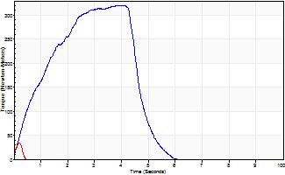
Isometric Extensors (Con) Angle 60 Time 10 Repetition 2 (Best Repetition)
 | Value | Cof Var | %BW
Peak Torque (Newton-Meters)
Right | 320 | 0.01 | 498
Left | 34 | 0.33 | 54
Deficit | 89
Average Torque (Newton-Meters)
Right | 117 | 0.14 | 182
Left | 1 | 0.05 | 3
Deficit | 99
Peak Torque Slope (Newton-Meters/Seconds)
Right | 90 | 0.06 | 141
Left | 193 | 0.12 | 302 |  | Right Side Curves Left Side Curves
Deficit | 53
Time to Half Peak Torque (Seconds)
Right | 0.99 | 0.01
Left | 0.02 | 1.41
Time to Peak Torque (Seconds)
Right | 3.68 | 0.07
Left | 0.15 | 0.47
HUMAC2015® Version: 15.000.0074 © Computer Sports Medicine, Inc. www.csmisolutions.com

